Charts
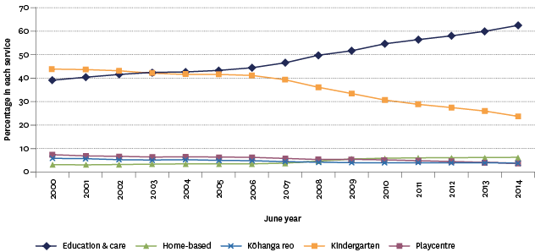
Figure K1.1 - Proportion of children starting school who attended early childhood education, 2000-2014

Year | Proportion
2000 | 90.0
2001 | 90.3
2002 | 91.2
2003 | 92.5
2004 | 93.0
2005 | 93.2
2006 | 93.4
2007 | 93.6
2008 | 93.6
2009 | 94.0
2010 | 94.4
2011 | 94.6
2012 | 94.9
2013 | 95.6
2014 | 95.9

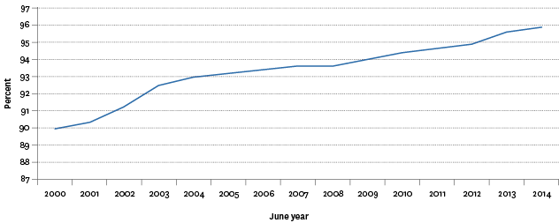

Figure K1.2 - Proportion of children aged 3 and 4 attending early childhood education by service type, 2000-2014

Year | Education & care | Kindergarten | Home-based | Playcentre | Kōhanga reo
2000 | 39.1 | 43.6 | 3.5 | 7.2 | 5.7
2001 | 40.3 | 43.5 | 3.3 | 6.6 | 5.4
2002 | 41.5 | 43.0 | 3.2 | 6.3 | 5.2
2003 | 42.2 | 42.0 | 3.4 | 6.3 | 5.1
2004 | 42.4 | 41.6 | 3.6 | 6.4 | 5.2
2005 | 43.2 | 41.5 | 3.5 | 6.1 | 4.9
2006 | 44.3 | 41.1 | 3.6 | 6.0 | 4.7
2007 | 46.3 | 39.3 | 3.8 | 5.7 | 4.2
2008 | 49.4 | 36.1 | 4.7 | 5.3 | 4.1
2009 | 51.3 | 33.6 | 5.5 | 5.2 | 4.0
2010 | 54.2 | 30.8 | 5.8 | 4.8 | 3.9
2011 | 55.9 | 29.0 | 6.0 | 4.7 | 3.9
2012 | 57.5 | 27.7 | 6.1 | 4.3 | 3.9
2013 | 59.4 | 26.3 | 6.1 | 4.0 | 3.9
2014 | 61.9 | 24.0 | 6.2 | 3.8 | 3.7

